mysql
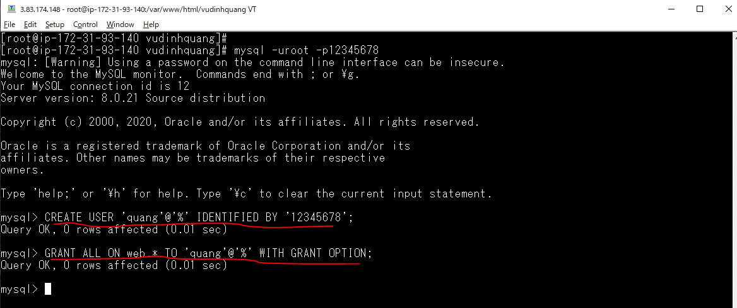
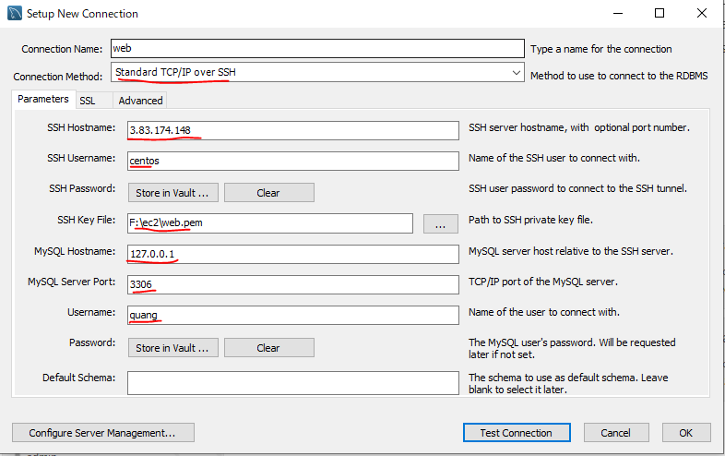
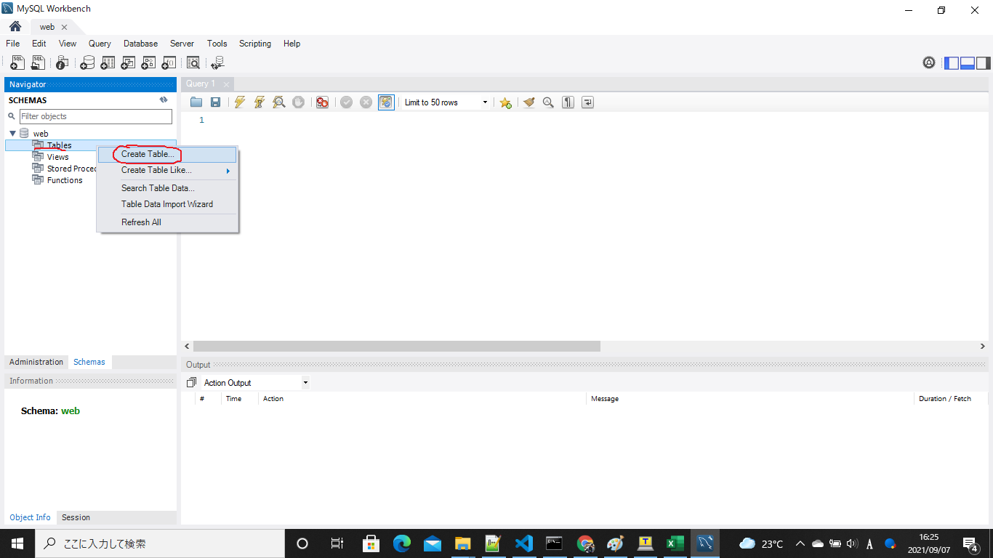
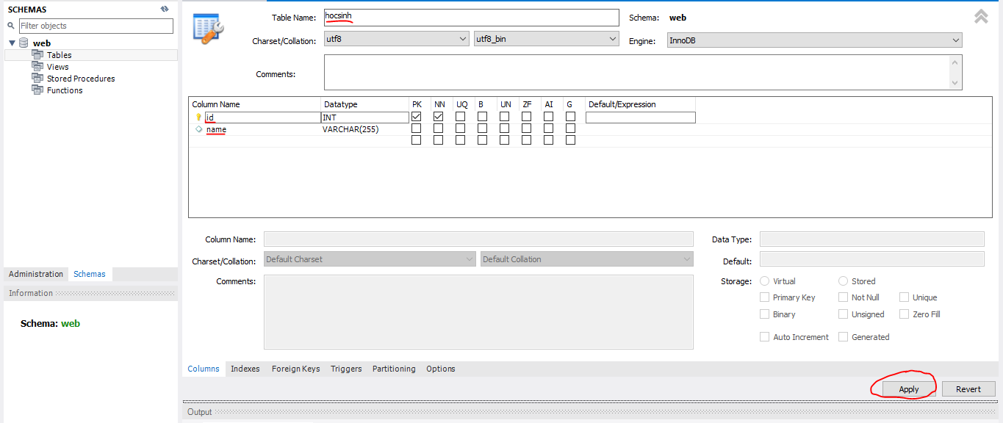
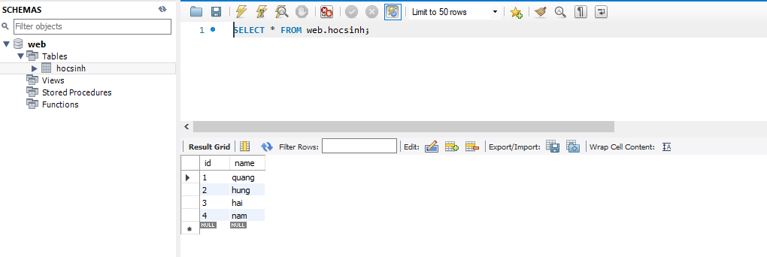
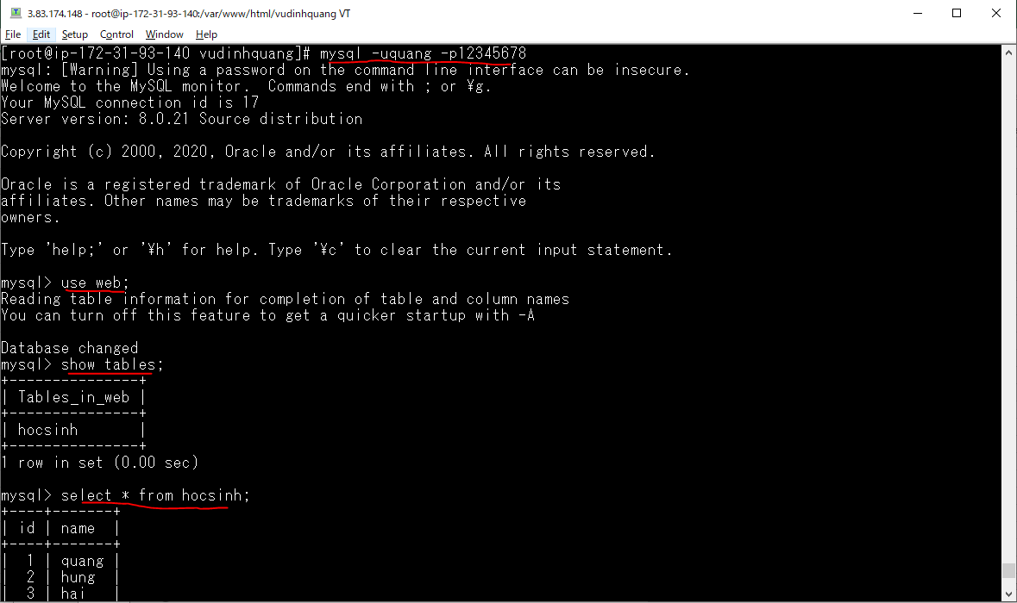
Check Mysql version
 | dnf info mysql
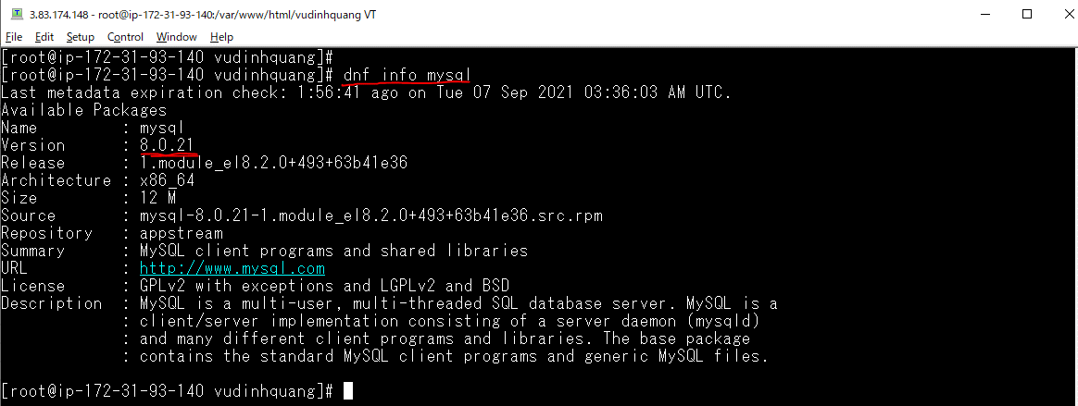

Mysql Install
 | dnf install @mysql:8.0
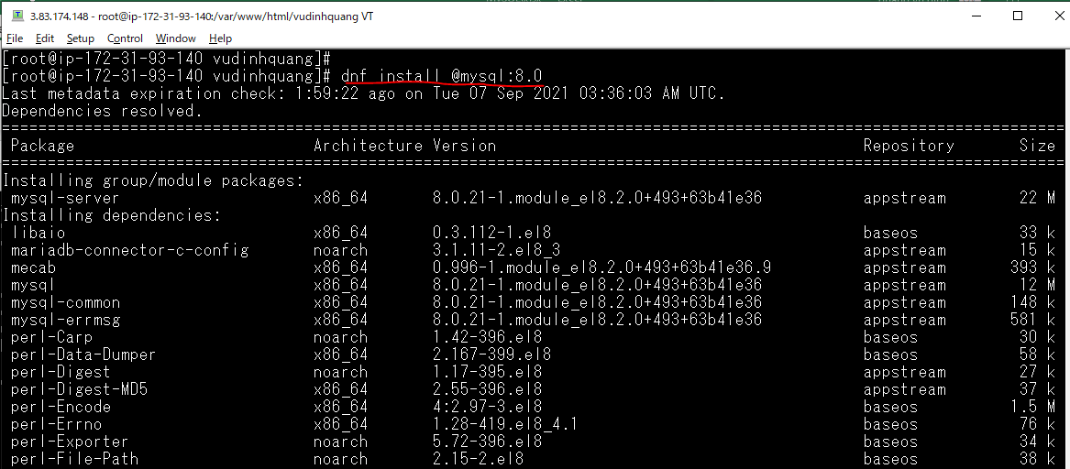

Check version
 | mysql --version

Add Mysql to Start up
 | systemctl enable mysqld

Start Mysql
 | systemctl start mysqld
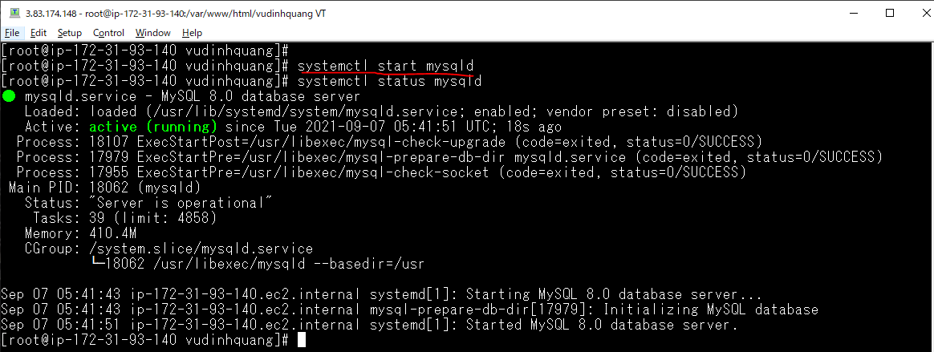

Mysql Server Initial Configuration
 | mysql_secure_installation
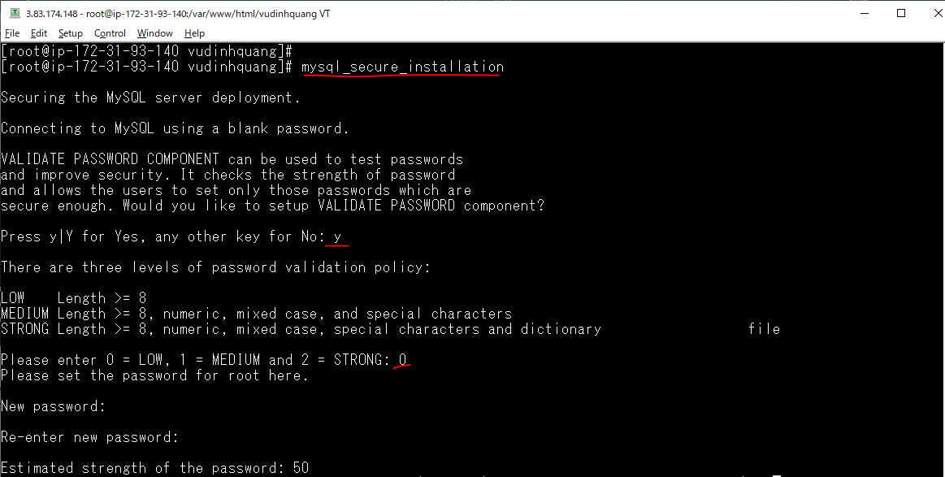

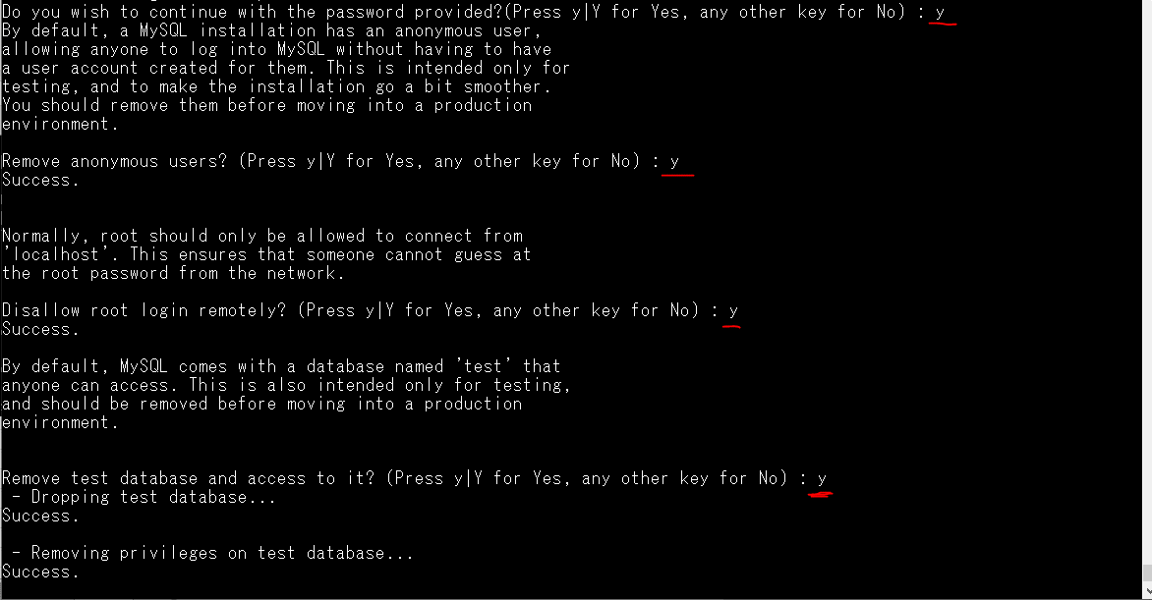

Login mysql
 | mysql -uroot -p

Create Database
 | CREATE DATABASE web;

Config Mysql
 | vi /etc/my.cnf.d/mysql-server.cnf
 | validate_password.policy=LOW
 | validate_password.length=7

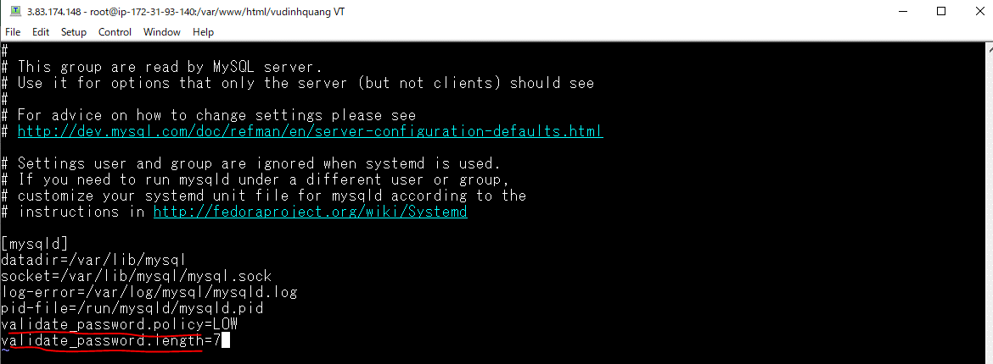

Create Local User
 | CREATE USER 'quang'@'localhost' IDENTIFIED BY '12345678';
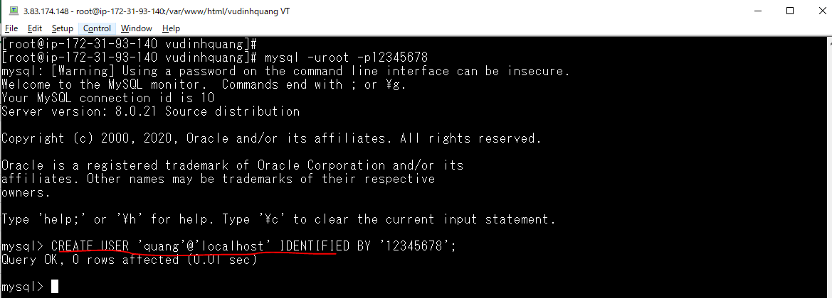

Gán quyền truy xuất vào Database Mysql web cho user quang
 | GRANT ALL ON web.* TO 'quang'@'localhost' WITH GRANT OPTION;
 | FLUSH PRIVILEGES;

Check quyền truy xuất vào Database Mysql web by user quang

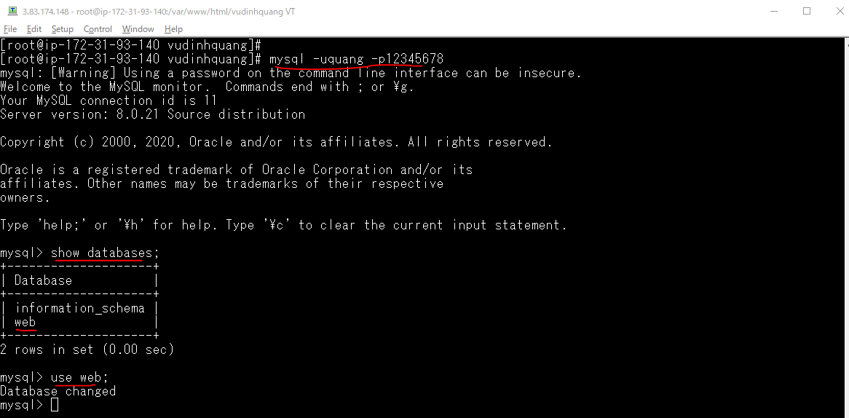

Create remote User
 | CREATE USER 'quang'@'%' IDENTIFIED BY '12345678';
Gán quyền truy xuất remote vào Database Mysql web cho user quang
 | GRANT ALL ON web.* TO 'quang'@'%' WITH GRANT OPTION;

phpmyadmin
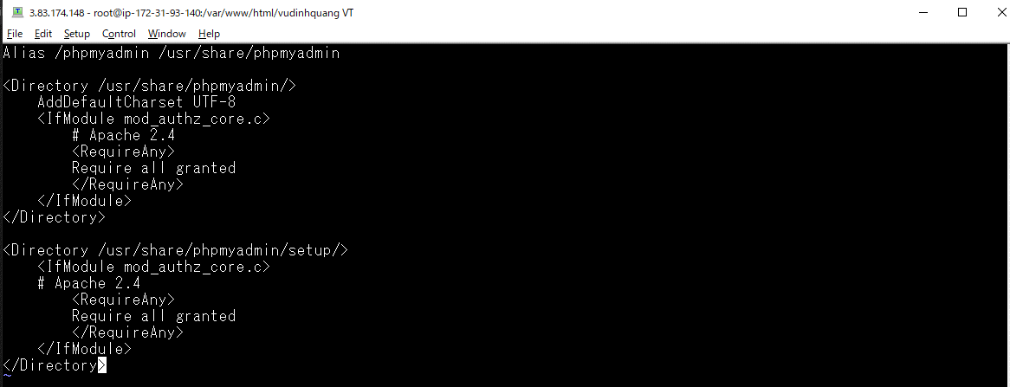
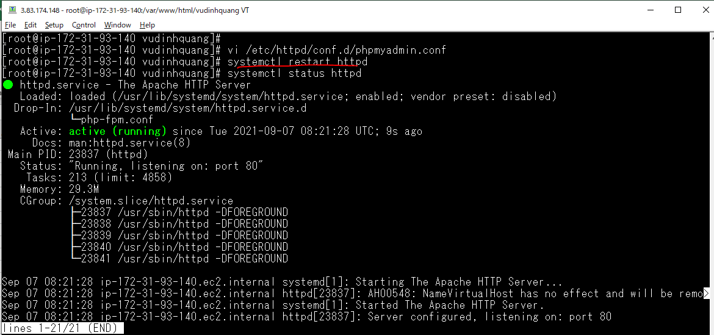
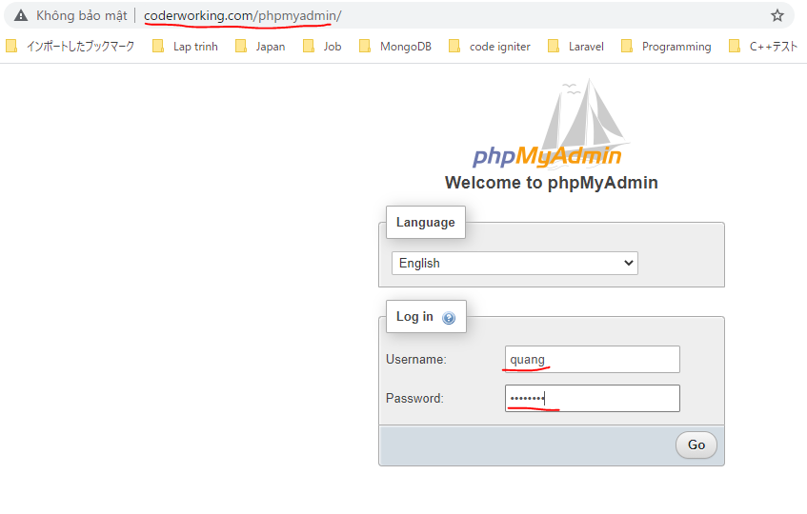
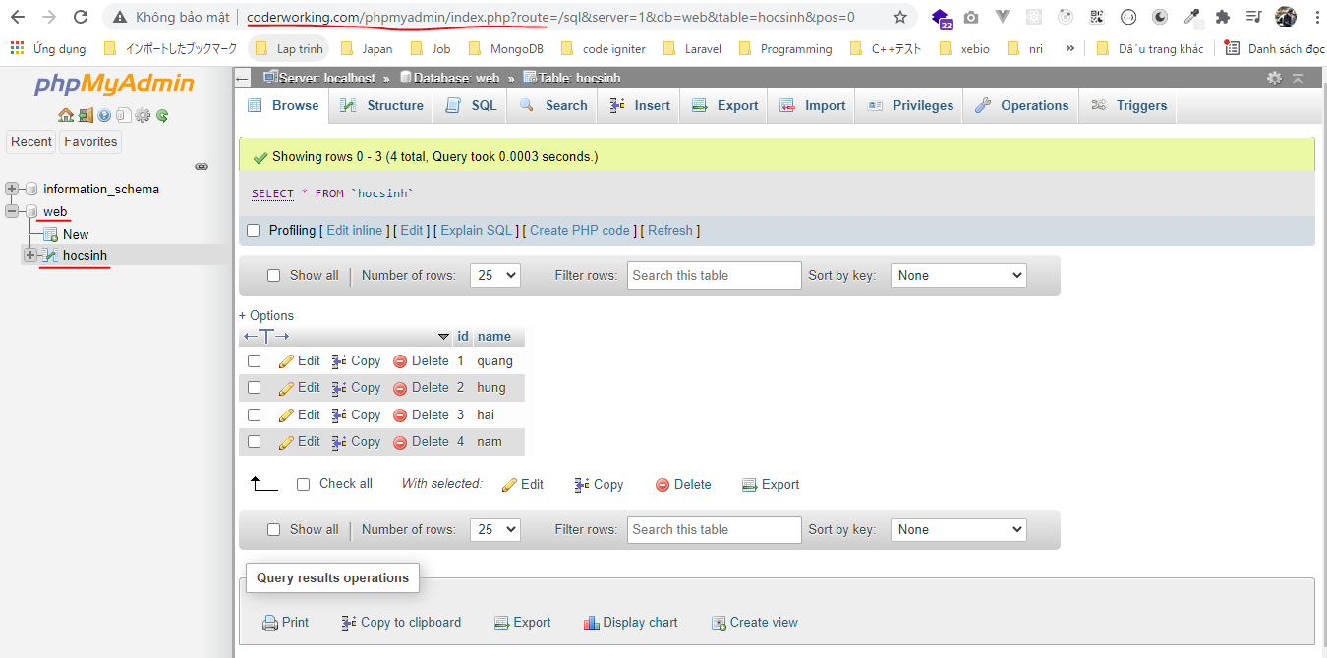
Install phpmyadmin
 | wget https://files.phpmyadmin.net/phpMyAdmin/5.1.1/phpMyAdmin-5.1.1-all-languages.zip
 | unzip phpMyAdmin-5.1.1-all-languages.zip

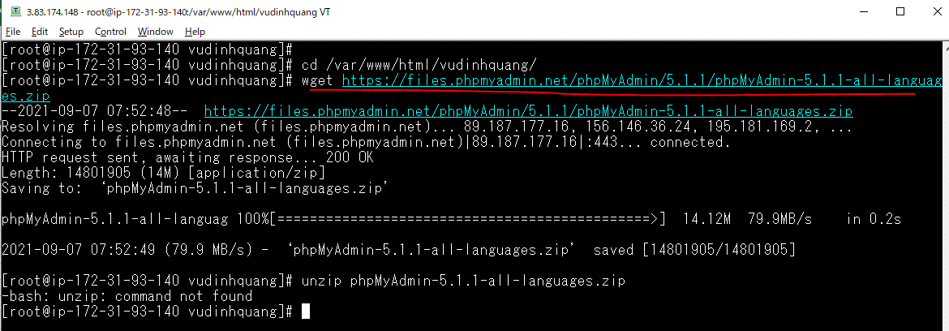

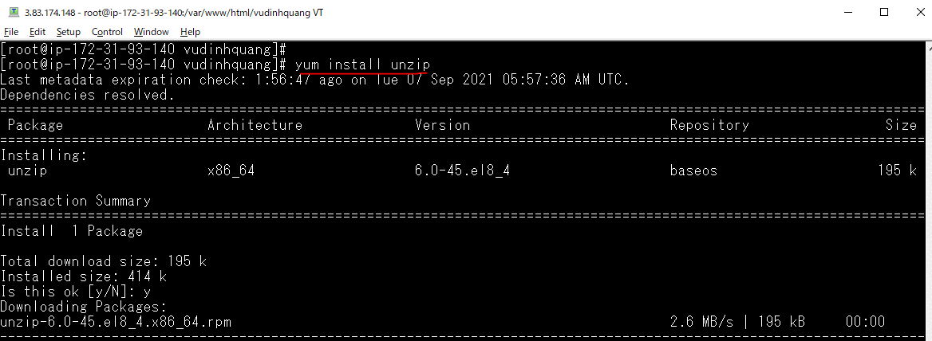

 | mv config.sample.inc.php config.inc.php
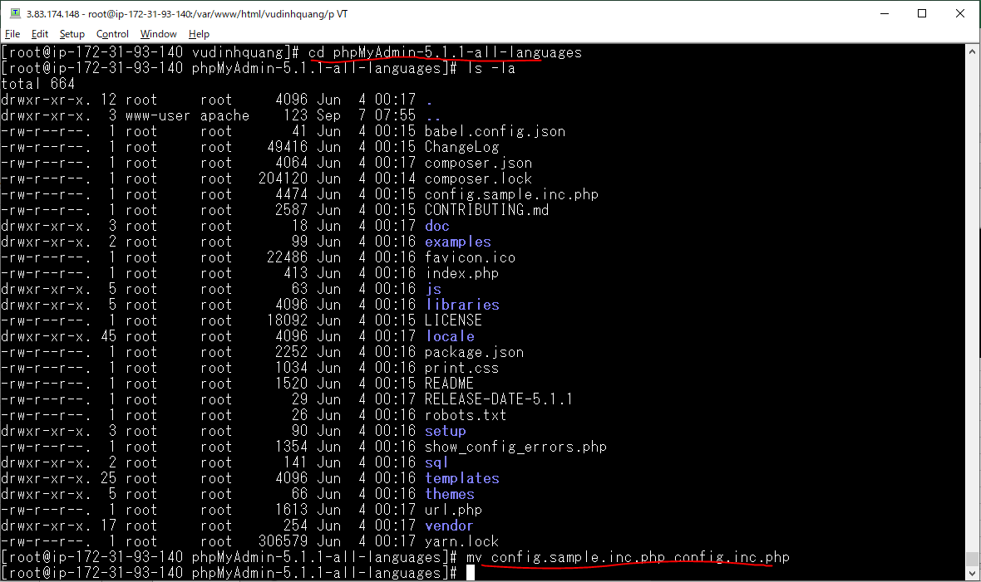

 | mv phpMyAdmin-5.1.1-all-languages /usr/share/phpmyadmin

 | vi /etc/httpd/conf.d/phpmyadmin.conf

Alias
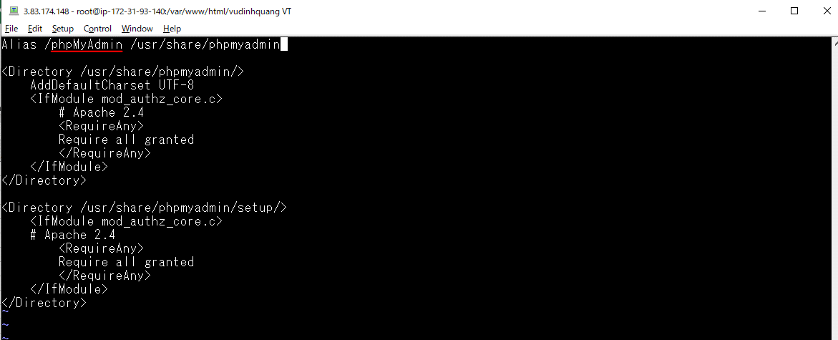
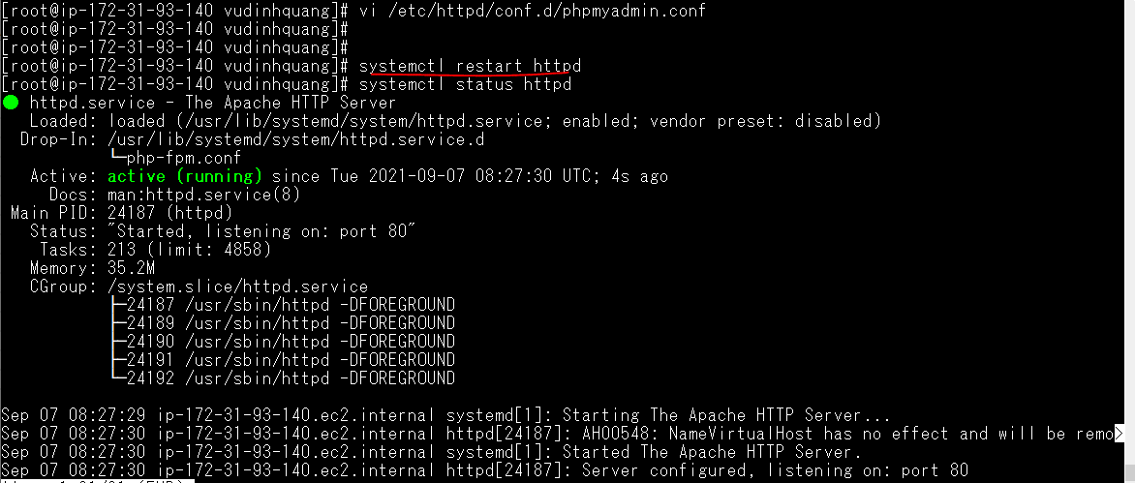
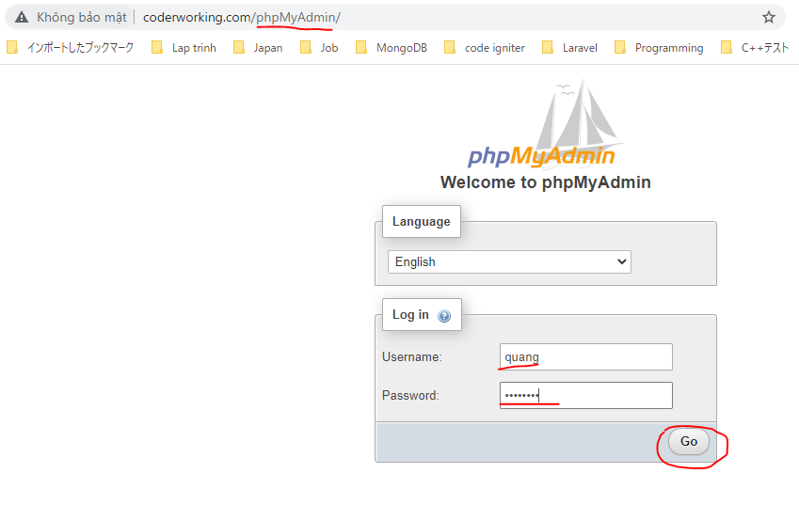
vi /etc/httpd/conf.d/phpmyadmin.conf

